Locations
City | State/Province | Country | Region | Continent
Manhattan, New York City | NY | USA | North America - East | North America
Queens, New York City | NY | USA | North America - East | North America
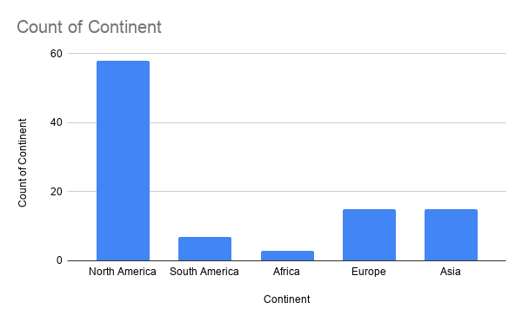
Staten Island, New York City | NY | USA | North America - East | North America
Bensonhurst, New York City | NY | USA | North America - East | North America
Williamsburg, New York City | NY | USA | North America - East | North America
Albany | NY | USA | North America - East | North America
Buffalo | NY | USA | North America - East | North America
Orlando | FL | USA | North America - East | North America
Savannah | GA | USA | North America - East | North America
Atlanta | GA | USA | North America - East | North America
Charleston | SC | USA | North America - East | North America
Wilmington | NC | USA | North America - East | North America
Raleigh | NC | USA | North America - East | North America
Richmond | VA | USA | North America - East | North America
Philadelphia | PA | USA | North America - East | North America
Pittsburgh | PA | USA | North America - East | North America
Boston | MA | USA | North America - East | North America
Seattle | WA | USA | North America - West | North America
Portland | OR | USA | North America - West | North America
San Francisco | CA | USA | North America - West | North America
San Diego | CA | USA | North America - West | North America
Carmel | CA | USA | North America - West | North America
Scottsdale | AZ | USA | North America - West | North America
Jackson | WY | USA | North America - West | North America
Colorado Springs | CO | USA | North America - West | North America
Denver | CO | USA | North America - West | North America
Santa Fe | NM | USA | North America - West | North America
Austin | TX | USA | North America - Central | North America
San Antonio | TX | USA | North America - Central | North America
Houston | TX | USA | North America - Central | North America
Dallas | TX | USA | North America - Central | North America
Baton Rouge | LA | USA | North America - Central | North America
New Orleans | LA | USA | North America - Central | North America
St. Louis | MO | USA | North America - Central | North America
Chicago | IL | USA | North America - Central | North America
Kansas City | MO | USA | North America - Central | North America
Minneapolis | MN | USA | North America - Central | North America
Rochester | MN | USA | North America - Central | North America
Madison | WS | USA | North America - Central | North America
Milwaukee | WS | USA | North America - Central | North America
Grand Rapids | MI | USA | North America - Central | North America
Detroit | MI | USA | North America - Central | North America
Macomb | MI | USA | North America - Central | North America
Indianapolis | IN | USA | North America - Central | North America
Memphis | TN | USA | North America - Central | North America
Nashville | TN | USA | North America - Central | North America
Knoxville | TN | USA | North America - Central | North America
Birmingham | AL | USA | North America - Central | North America
Montreal | QC | Canada | North America - Canada | North America
Ottawa | ON | Canada | North America - Canada | North America
Toronto | ON | Canada | North America - Canada | North America
Quebec City | QC | Canada | North America - Canada | North America
Winnipeg | MB | Canada | North America - Canada | North America
Calgary | AB | Canada | North America - Canada | North America
Vancouver | BC | Canada | North America - Canada | North America
Monterrey |  | Mexico | North America - Mexico | North America
Guadalajara |  | Mexico | North America - Mexico | North America
Mexico City |  | Mexico | North America - Mexico | North America
Bogota |  | Columbia | South America | South America
Salvador |  | Brazil | South America | South America
Rio de Janeiro |  | Brazil | South America | South America
Sao Paulo |  | Brazil | South America | South America
Buenos Aires |  | Argentina | South America | South America
Santiago |  | Chile | South America | South America
La Paz |  | Bolivia | South America | South America
Cape Town |  | South Africa | EMEA | Africa
Cairo |  | Egypt | EMEA | Africa
Casablanca |  | Morocco | EMEA | Africa
Madrid |  | Spain | EMEA | Europe
Barcelona |  | Spain | EMEA | Europe
Lisbon |  | Portugal | EMEA | Europe
Paris |  | France | EMEA | Europe
Lyon |  | France | EMEA | Europe
Brussels |  | Belgium | EMEA | Europe
Zurich |  | Switzerland | EMEA | Europe
Naples |  | Italy | EMEA | Europe
Milan |  | Italy | EMEA | Europe
Munich |  | Germany | EMEA | Europe
Berlin |  | Germany | EMEA | Europe
London |  | United Kingdom | EMEA | Europe
Stockholm |  | Sweden | EMEA | Europe
Oslo |  | Norway | EMEA | Europe
Moscow |  | Russia | EMEA | Europe
Dubai |  | UAE | EMEA | Asia
Hyderabad |  | Pakistan | AsiaPac | Asia
New Delhi |  | India | AsiaPac | Asia
Mumbai |  | India | AsiaPac | Asia
Bangalore |  | India | AsiaPac | Asia
Bangkok |  | Thailand | AsiaPac | Asia
Kuala Lumpur |  | Malaysia | AsiaPac | Asia
Sanur |  | Indonesia | AsiaPac | Asia
Singapore |  | Singapore | AsiaPac | Asia
Manila |  | Philippines | AsiaPac | Asia
Shanghai |  | China | AsiaPac | Asia
Hong Kong |  | China | AsiaPac | Asia
Seoul |  | South Korea | AsiaPac | Asia
Osaka |  | Japan | AsiaPac | Asia
Tokyo |  | Japan | AsiaPac | Asia

Sales - South America
Expected | $221,717 | $202,846 | $242,750 | $182,183 | $220,025 | $181,335 | $222,410 | $202,398 | $201,874 | $194,818 | $215,949 | $208,955
Actual | $201,561 | $203,049 | $200,620 | $202,426 | $200,023 | $190,879 | $202,191 | $196,503 | $199,875 | $205,072 | $199,953 | $202,869

Actual vs. Expected
Actual vs. Expected

